Лист1
Summary | Test on method "testWriteTexttoFileWithAppend" failed.
Severity | Major
Environment | Windows 10 OS x64
Steps to reproduce | 1. Open IntelliJIDEA, class FileManagerServiceTest. 2. Run tests in this class.
Actual result | Test failed and error appears. Program gives needed result as error.
Expected result | All tests are executed correctly.
Priority | Medium
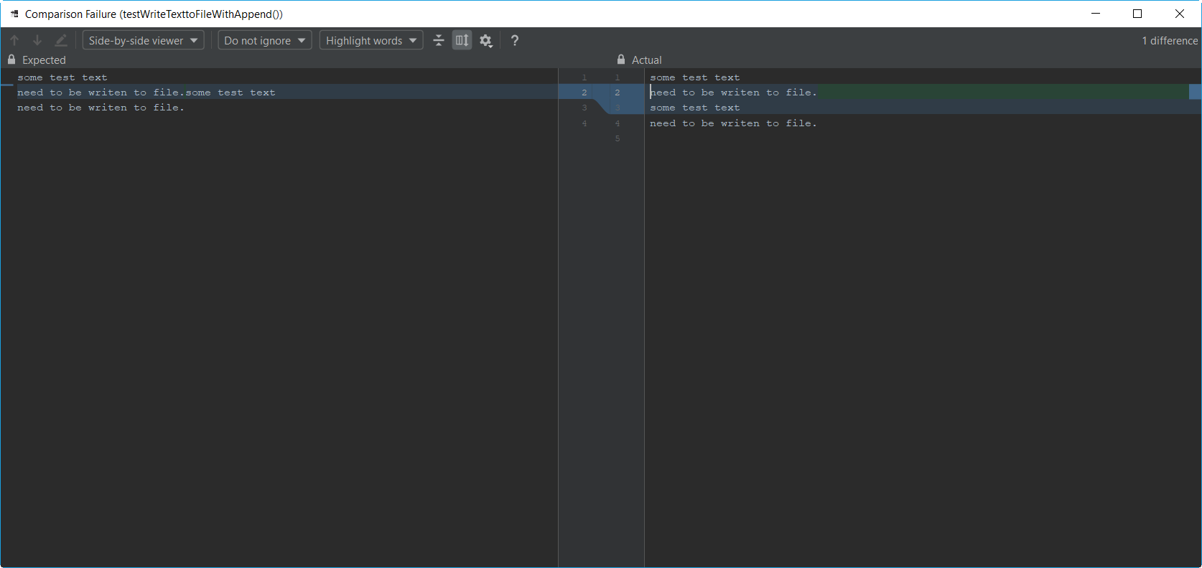
Attachement

Additional information | Error occors because in method WriteTexttoFile in class FileManagerService transfer to new line isn't written.

